script
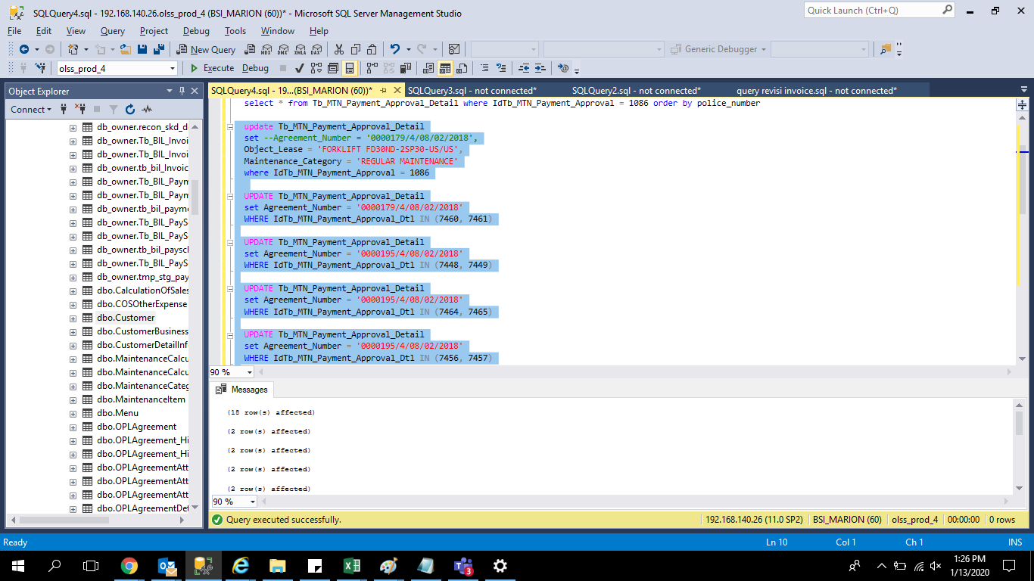
update Tb_MTN_Payment_Approval_Detail
set --Agreement_Number = '0000179/4/08/02/2018',
Object_Lease = 'FORKLIFT FD30ND-2SP30-US/US',
Maintenance_Category = 'REGULAR MAINTENANCE'
where IdTb_MTN_Payment_Approval = 1086

UPDATE Tb_MTN_Payment_Approval_Detail
set Agreement_Number = '0000179/4/08/02/2018'
WHERE IdTb_MTN_Payment_Approval_Dtl IN (7460, 7461)

UPDATE Tb_MTN_Payment_Approval_Detail
set Agreement_Number = '0000195/4/08/02/2018'
WHERE IdTb_MTN_Payment_Approval_Dtl IN (7448, 7449)

UPDATE Tb_MTN_Payment_Approval_Detail
set Agreement_Number = '0000195/4/08/02/2018'
WHERE IdTb_MTN_Payment_Approval_Dtl IN (7464, 7465)

UPDATE Tb_MTN_Payment_Approval_Detail
set Agreement_Number = '0000195/4/08/02/2018'
WHERE IdTb_MTN_Payment_Approval_Dtl IN (7456, 7457)

UPDATE Tb_MTN_Payment_Approval_Detail
set Agreement_Number = '0000229/4/08/01/2019'
WHERE IdTb_MTN_Payment_Approval_Dtl IN (7458, 7459)

UPDATE Tb_MTN_Payment_Approval_Detail
set Agreement_Number = '0000229/4/08/01/2019'
WHERE IdTb_MTN_Payment_Approval_Dtl IN (7462, 7463)

UPDATE Tb_MTN_Payment_Approval_Detail
set Agreement_Number = '0000195/4/08/02/2018'
WHERE IdTb_MTN_Payment_Approval_Dtl IN (7469, 7455)

UPDATE Tb_MTN_Payment_Approval_Detail
set Agreement_Number = '0000194/4/08/02/2018'
WHERE IdTb_MTN_Payment_Approval_Dtl IN (7450, 7451)

UPDATE Tb_MTN_Payment_Approval_Detail
set Agreement_Number = '0000194/4/08/02/2018'
WHERE IdTb_MTN_Payment_Approval_Dtl IN (7452, 7453)

screenshoot
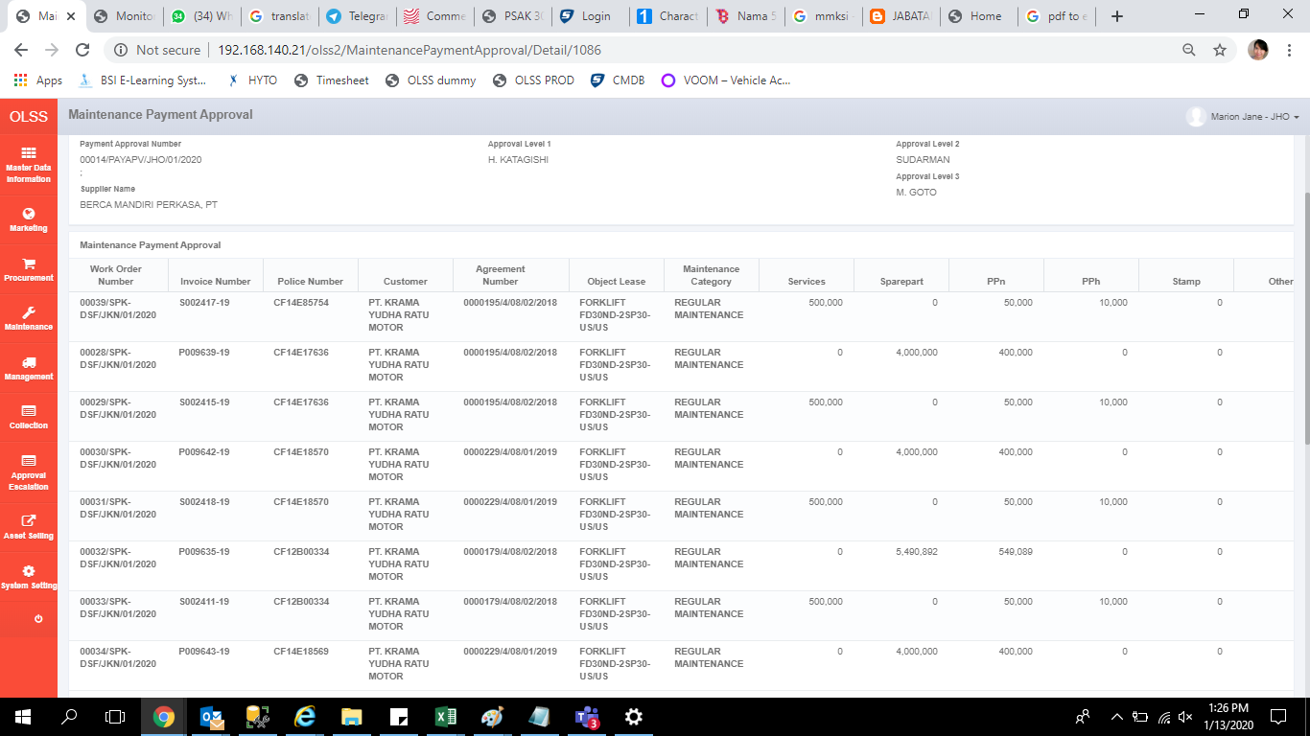
BEFORE
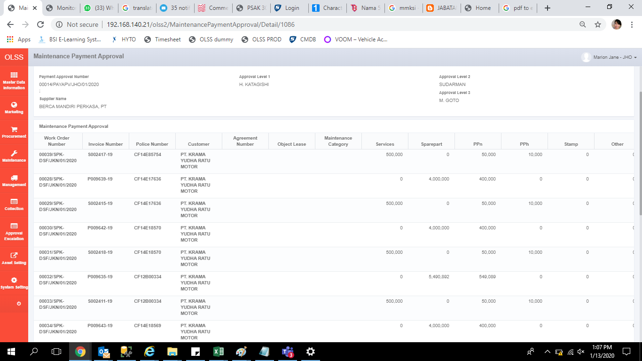

AFTER

